Oil Cooler assy 12V140
OIL COOLER
ASSEMBLY CHECK SHEET
KOMATSU ENGINE 12V140-1,2
HD785-5E
HD785-5M
HD985-5E
WA800-3E
WA800-3M
WA900-3E
WA900-3M
D475A-3
D475A-5

JOB NUMBER |  |  |  |  |  | PART NAME |  | OIL COOLER |  | DOCUMENT NO |  |  | QR03-SA-008-01
ENGINE MODEL |  |  | 12V140-1,2 |  |  | PART NUMBER |  |  |  | PUBLISHED DATE |  |  | 07/08/2008
ENGINE S/N |  |  |  |  |  | START DATE / TIME |  |  |  | REVISION NO |  |  | 03
MACHINE MODEL |  |  |  |  |  | FINISH DATE / TIME |  |  |  | PAGE |  |  | 1 of 1

ASSEMBLY BY

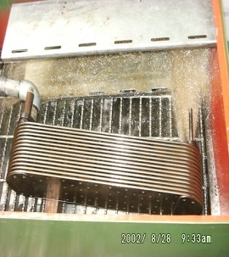
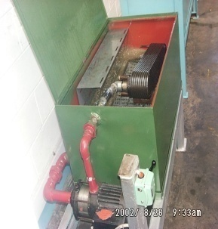
NO | PARTS | CHECK | CONDITION TO BE CHECKED |  |  |  |  |  | SPEC. | SIGN |  |  | REMARKS (SKETCH, PHOTOES,
 |  | POINT |  |  |  |  |  |  |  | MEC | QA | SPV | COMMENTS)
1 | Core Element |  | - Test and check flow on core element. |  |  |  |  |  | Oil cooler Flusher

 |  |  | - Test and check leakage on core element

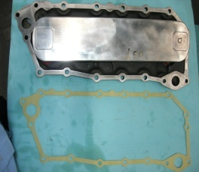
2 | Housing |  | - Check cleanliness, crack and other damage on
 |  |  | element housing.

 |  |  | - Check all threads on housing element

3 | Assembly element Oil Cooler |  | - Install O ring or gasket on housing |  |  |  |  |  | Apply LG-6

 |  |  | - Install washer and nut then tighten.
 |  |  |  | Element mounting nut 14 or 17 mm : |  |  |  |  | 4 ~ 4.5 Kgm

 |  |  |  |  | Actual : Kgm

 |  |  | - Give cross sign when tighten nut

MECHANIC ASSEMBLY COMMENT

 | ASSEMBLY BY |  |  |  |  |  | INSPECTION & APPROVED BY

 |  |  |  |  |  |  |  |  |  |  |  |  | __________________________
 | MECHANIC ( MECH ) |  |  |  |  |  | QUALITY ASSURANCE ( QA ) |  |  |  |  |  | PROD. SUPERVISOR ( SPV )

Oil Cooler assy 12V140 (REV)
 |  |  |  |  |  | JOB NUMBER |  |  |  |  | DOCUMENT NO |  |  | QR03-SA-008-01
ASSEMBLY CHECK SHEET
 |  |  |  |  |  | ENGINE MODEL |  | 12V140-1,2 |  |  | PUBLICATION DATE |  |  | 19/02/2009
OIL COOLER
 |  |  |  |  |  | ENGINE S/N |  |  |  |  | REVISION NO |  |  | 03
KOMATSU ENGINE 12V140-1
 |  |  |  |  |  | MACHINE MODEL |  |  |  |  | PAGE |  |  | 1 of 1

PROCESS |  | START DATE / TIME |  |  |  |  |  |  | ASSEMBLY BY
 |  | FINISH DATE / TIME



NO | PARTS | CHECK | CONDITION TO BE CHECKED |  |  |  |  |  | SPEC. | SIGN |  |  | REMARKS (SKETCH, PHOTOES,
 |  | POINT |  |  |  |  |  |  |  | MEC | QA | SPV | COMMENTS)
1 | Oil Cooler Element | Leakage | - Inspect for cracks and leakage by oil cooler flusher. |  |  |  |  |  | √ = CHECK
 |  |  | Test and check leakage on core element.
 |  |  |  |  | No Leakage |  |  |  | No Leakage

 |  | Mounting surface | - Inspect for corrosion, scratches and wear |  |  |  |  |  | √ = CHECK
 |  |  |  | Depth of corrosion, scratch and wear |  |  |  |  | Depth
 |  |  |  |  | No corrosion |  |  |  | ≤ 0.2mm
 |  |  |  |  | No scratch
 |  |  |  |  | No wear

 |  | Bolt Hole | - Inspect tread portion appear corrosion, scratch and |  |  |  |  |  | √ = CHECK
 |  |  | wear |  |  |  |  |  | Depth
 |  |  | Depth of corrosion, scratch and wear |  |  |  |  |  | ≤ 0.4mm
 |  |  |  |  | No corrosion
 |  |  |  |  | No scratch
 |  |  |  |  | No wear

2 | Oil Cooler Housing | Mounting surface | - Inspect for corrosion, scratches and wear |  |  |  |  |  | √ = CHECK
 |  |  |  | Depth of corrosion, scratch and wear |  |  |  |  | Depth
 |  |  |  |  | No corrosion |  |  |  | ≤ 0.2mm
 |  |  |  |  | No scratch
 |  |  |  |  | No wear

 |  | Bolt Hole | - Inspect tread portion appear corrosion, scratch and |  |  |  |  |  | √ = CHECK
 |  |  | wear
 |  |  |  | Depth of corrosion, scratch and wear |  |  |  |  | Depth
 |  |  |  |  | No corrosion |  |  |  | ≤ 0.4mm
 |  |  |  |  | No scratch
 |  |  |  |  | No wear

3 | Assembly element Oil Cooler |  | - Fit O ring or gasket on housing |  |  |  |  |  | Apply LG-6
 |  |  | - Install washer and nut then tighten.
 |  |  | - Tighten Torque : |  |  |  | M10 = |  | 2.8~ 3.8 Kgm
 |  |  |  |  | Actual : Kgm |  | M12 = |  | 5.6~ 6.6 Kgm
 |  |  |  |  |  |  |  |  | (Komatsu assembly manual)

COMMENT :

 | ASSEMBLY BY |  |  |  |  |  | INSPECTION & APPROVED BY

 |  |  |  |  |  |  |  |  |  |  |  |  | __________________________
 | MECHANIC ( MECH ) |  |  |  |  |  | QUALITY ASSURANCE ( QA ) |  |  |  |  |  | PROD. SUPERVISOR ( SPV )

